Instructions
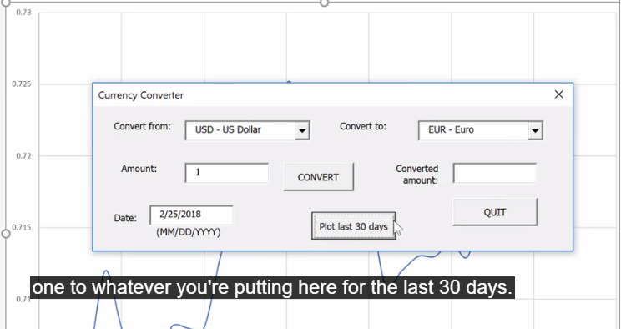
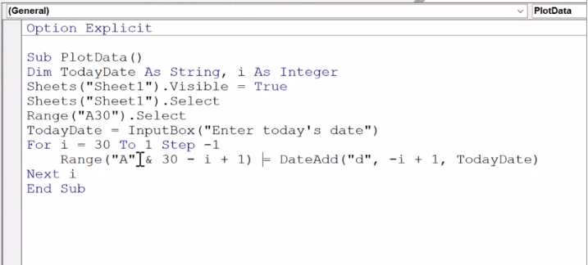
Instructions

Open up Module1 and replace "www.placewebaddresshere.com" with the
website that has the data that you'd like to import to Sheet1

You can change the sheet name and starting range inside the module

user form sample
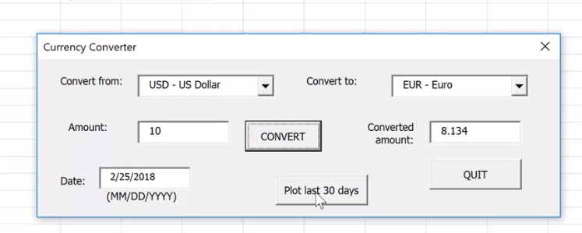
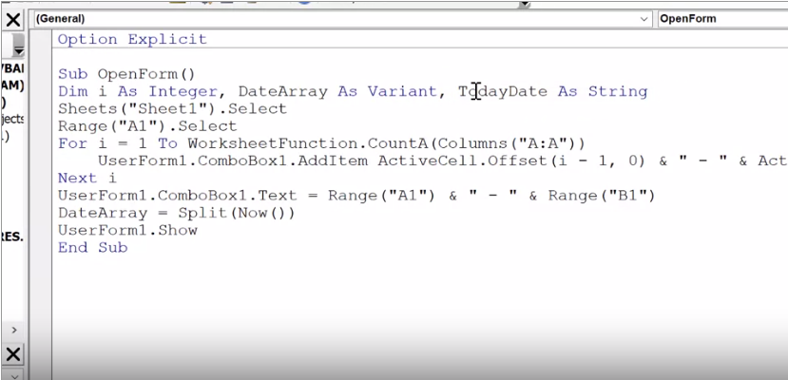

plotting

